Q1. Identify Brands
1. Fill in the green cells by doing your best to determine whether each Item Description is Coca-Cola Cherry, Coca-Cola Vanilla, Coca-Cola, or Other / Unknown.
2. The green cell should be the sum of Trip Count for the number of records that fall into each of the listed brands.
3. A product should only be counted in one and only one brand. Meaning a product can't be both Coca-Cola and Coca-Cola Vanilla.
4. Feel free to create other worksheets if needed, but please keep your answers on this sheet.
Est Time: 20 mins
Item Description | Trip Count
ZCLASSIC COKE | 564
Woodman 039 s PAL Model 481 Classic Outdoorsman Machete | 211 | Brand | Sum of Trip Count
WB ORG MINI COKES | 82 | Coca-Cola Cherry
WB 6 CT MINI CUKE | 1,256 | Coca-Cola Vanilla
WB 3-PK SDLS COKE | 335 | Coca-Cola
Vanilla Coke, 12 Oz Can | 164 | Other / Unknown
VANILLA COKE FRIDG | 95
VANILLA COKE FRI | 68
VANILLA COKE 20 | 88
VANILLA COKE 12PK PC | 132
VANILLA COKE 12PK | 366
VANILLA COKE 12-12 | 495
VANILLA CKE 12PK | 112
VAN COKE 12PK | 151
VAN COKE | 316
T COKE | 54
Surge Citrus, 1-Liter | 60
SODA COKE Z | 72
SODA COKE F | 116
SODA COKE | 879
SNO CONE MKR | 85
SM COKE | 340
Shericca Yo | 51
sentrey safe | 178
SDLS CUKE 8/16 OZ | 633
SDLS CUKE 8/16 0Z | 84
SC COCA COLA 12PK | 334
SC COCA COLA | 183
SB VANILLA XTRCT | 649
SALAD CUKES | 123
SALAD CUKE | 257
SALAD COKE | 63
ROUND CAKE PAN | 1,255
ROUND CAKE F | 1,179
Revolving Beauty Digital Illustration | 63
REG COKE | 119
REG BEV COKE | 80
Red Flash 4Pk Can | 65
RC COKE DISCOUNT | 282
PRSL COKES | 195
POKE 1 CHOICE/RICE | 429
PKL CUKE BAG | 100
PKCOKE F | 1,340
PHOTO LIGHT STROBE AC SWIVEL ADAPTER UMBRELLA MOUNT | 154
PC COCA COLA 12 PA | 51
ORG SDLS CUKE | 158
ORG HT HSE CUKE | 123
OLD BULK CODE | 138
OGCK CAKE | 1,546
OCA-COLA CLASSIC | 426
na | 13,714
na | 1,846
MM LEMON LITE RE | 54
MINI COKE | 79
MEXICAN COKE 355ML GLS BT | 75
MEXICAN COKE | 359
Mello Yello Melon Soda | 87
Mello Yello Cherry Soda | 85
MED COKE | 247
MD COKE | 245
MC S/COOKERS | 235
MB CORE TEE | 192
MB 6PK TWL MOD 420 | 423
M COKE | 1,071
M 1 COKE CLS CAN 12PK 12Z | 55
LTR COKE | 277
LT COKE | 98
LG COKE | 456
LARGE COKE | 281
L COKE | 788
IET COKE | 80
IET COCA-COLA | 76
Golden State Warriors Drawer Pull | 101
FRIDGPK CHERRY COK | 252
FRIDGPK C/F DIET C | 196
FRIDGPK C/F COKE | 54
FREE KETTLEW/2COKE | 118
FR VANILLA | 509
FR COKE FRIDGE PACK | 242
FR COKE FRDGE PK NH | 66
FR COKE FRDGE PK MA | 82
FP VANILLA COKE | 168
FP CORE | 125
FP COKE CLASSIC CN TF | 400
FP COKE CLASSIC CN | 2,150
FP CHERRY COKE CN | 204
FOUNTAIN COKE | 139
F/P CLASSIC COKE PC | 61
F/P CLASSIC COKE | 3,443
DRINK COCA COLA | 105
DOET COKE | 80
DCSOCKEYE F | 386
D-COKE BTL | 56
DC COCA-COLA | 59
CUKES SELECT | 1,604
CUKE BRPL | 194
CROISSANT/PANCAKE | 798
CRM CAKE | 294
COOKED HAM 10% | 880
COME & GET IT | 363
COLA-COLA CLASSIC | 221
COLA COLA | 168
COLA CLASSIC | 161
Cola - Classic Stock & Grip | 143,492
COKES | 587
COKE16Z CN | 747
COKE WRP | 54
COKE VANILLA PC | 333
COKE VANILLA 20Z | 537
COKE VANILLA 200Z | 60
COKE VANILLA 20 SINGLE | 151
COKE VANILLA 12PK CA | 109
COKE VANILLA | 2,861
COKE VAN FRDG PK | 70
COKE VAN CAN 12PK 12Z | 123
COKE VAN 20Z NR SINGLE | 216
COKE VAN 200Z | 65
COKE VAN 20 | 60
COKE VAN 12P 12Z | 87
COKE SNGL BTL CLAS | 279
COKE SNGL | 239
COKE SINGLE | 2,575
COKE SIET | 66
COKE REGULAR | 62
COKE REG CLASSIC | 204
COKE PRODUCTS | 175
COKE PRODUCT | 85
COKE PK | 336
COKE PEPSI | 78
COKE PC | 1,385
COKE OT 12PK | 149
COKE OT | 163
COKE NRB CLASSIC | 467
COKE NR | 638
COKE MXCO 2F | 144
COKE MINI CAN | 52
COKE MEXICO | 93
COKE MEX PC | 52
COKE MEX GLS BTL | 56
COKE MEX | 1,013
COKE LITER | 207
Coke Ii 2Liter | 91
COKE GLS GA GREEN | 341
COKE GLASS GENUINE | 374
COKE GLASS | 259
COKE FROG PK12-12F | 609
COKE FROG | 211
COKE FRIDGE PK | 111
COKE FRIDGE PAK | 56
COKE FRIDGE PACK | 306
COKE FRDG PK12-12F | 2,867
COKE FRDG PK12-12 | 109
COKE FRDG PK12 | 245
COKE FRDG PK V | 76
COKE FRDG PK | 1,167
COKE FRDG | 929
COKE FP 12PK | 81
COKE F | 368
COKE EVENT S | 75
COKE EVENT | 69
COKE DISC | 68
Coke De Mexico Glass Bottles - 355 mil - 24 pk. | 355
COKE DE MEXICO 500ML | 76
COKE DE MEXICO 355ML | 274
Coke De Mexico 24 Pack of 355ml Bottles | 3,986
COKE DE MEXICO | 1,424
COKE COOLER | 92
COKE CONTOUR BTL | 596
COKE CONTOUR 2L PC | 259
COKE CONTOUR 2L | 1,040
COKE CONTOUR | 544
COKE COLA CLASSIC | 68
COKE COLA | 110
COKE CN | 312
COKE CLSSIC | 386
COKE CLSSC/200Z | 139
COKE CLSSC NR 200Z | 68
COKE CLSSC NR | 53
COKE CLSSC 8PK | 56
COKE CLSSC 20Z NR EACH | 50
COKE CLSSC | 384
COKE CLSS | 91
COKE CLSIC | 54
COKE CLSE 2L | 69
COKE CLSC2LT | 990
COKE CLSC SNGL BTTL 2OZ | 247
COKE CLSC SNGL BTTL 20Z | 2,094
COKE CLSC SNGL BTTL | 630
COKE CLSC SNGL | 98
COKE CLSC NR SINGLE | 130
COKE CLSC MINI SLEK | 76
COKE CLSC LTR | 56
COKE CLSC L | 124
COKE CLSC FRIDGE | 421
COKE CLSC CAN 12Z/12PK | 1,319
COKE CLSC CAN | 399
COKE CLSC ALUMBTL 9Z | 113
COKE CLSC ALUMBTL | 118
COKE CLSC 6PK CONTPC | 133
COKE CLSC 6PK CONT | 391
COKE CLSC 2LTR | 1,783
COKE CLSC 2L SINGLE | 283
COKE CLSC 2L 2L | 3,128
COKE CLSC 2L | 6,779
COKE CLSC 24Z NR SINGLE | 76
COKE CLSC 20Z NR SINGLE | 1,046
COKE CLSC 20Z | 1,695
COKE CLSC 2 | 94
COKE CLSC 1L SINGLE | 71
COKE CLSC 1L | 319
COKE CLSC 16Z CN SINGLE | 118
COKE CLSC 12PK12Z CN | 388
COKE CLSC | 4,416
COKE CLS2LT | 65
COKE CLS ON 12PK | 50
COKE CLS CRN 12PK 12Z | 179
COKE CLS CRN 12PK | 237
COKE CLS CRN | 171
COKE CLS CAN PK | 265
COKE CLS CAN 2PK 12Z | 70
COKE CLS CAN 2PK | 51
COKE CLS CAN 12PK 12Z | 8,055
COKE CLS CAN 12PK 122 | 1,631
COKE CLS CAN 12PK | 6,694
COKE CLS CAN | 3,393
COKE CLS 12PK/120Z | 82
COKE CLS 12PK 12Z | 104
COKE CLS 12PK | 150
COKE CLS | 407
COKE CLASSSIC | 196
COKE CLASSIS 6 PCKPC | 371
COKE CLASSIS 6 PCK | 297
COKE CLASSIS | 73
COKE CLASSIE | 51
COKE CLASSICS | 259
COKE CLASSICE | 2,653
COKE CLASSIC SINGLE | 699
COKE CLASSIC SINGL | 476
COKE CLASSIC RC | 175
COKE CLASSIC PKPC | 69
COKE CLASSIC PK | 249
COKE CLASSIC PC | 8,081
COKE CLASSIC P | 635
COKE CLASSIC OZ | 150
COKE CLASSIC NR TF | 54
COKE CLASSIC NR | 403
Coke Classic Nr | 62
COKE CLASSIC LTR | 114
COKE CLASSIC LITER | 170
COKE CLASSIC GLASS 12Z | 107
COKE CLASSIC FRIDGE 12PK | 100
COKE CLASSIC FRIDGE | 333
COKE CLASSIC FRI | 595
COKE CLASSIC FP | 1,305
COKE CLASSIC CONTOUR | 222
COKE CLASSIC CONTO | 1,151
COKE CLASSIC CONT | 123
COKE CLASSIC CON | 74
COKE CLASSIC CO | 103
COKE CLASSIC CAN | 263
COKE CLASSIC C/F | 1,181
COKE CLASSIC 8PK BTL | 88
COKE CLASSIC 8PK | 187
COKE CLASSIC 6PK V | 80
COKE CLASSIC 6PK | 645
Coke Classic 6Pk | 254
COKE CLASSIC 6P | 426
COKE CLASSIC 6 PCKPC | 126
COKE CLASSIC 6 PCK | 139
COKE CLASSIC 500ML 6PK | 75
Coke Classic 4/2 Liter | 2,206
COKE CLASSIC 3.00 | 63
COKE CLASSIC 2OZ | 1,057
COKE CLASSIC 2LT T F | 70
COKE CLASSIC 2LT C | 192
COKE CLASSIC 2L | 541
COKE CLASSIC 24PK | 513
COKE CLASSIC 20Z BT | 68
COKE CLASSIC 20Z | 4,982
COKE CLASSIC 20PK | 728
COKE CLASSIC 20P | 155
COKE CLASSIC 20OZ BTL | 86
COKE CLASSIC 200Z | 610
COKE CLASSIC 200 | 208
COKE CLASSIC 20 PKPC | 178
COKE CLASSIC 20 OZ NR | 62
COKE CLASSIC 20 OZ CONTOUR | 417
COKE CLASSIC 20 OZ | 2,556
COKE CLASSIC 20 FLOZ | 142
COKE CLASSIC 20 | 1,165
COKE CLASSIC 2 LTR | 1,664
COKE CLASSIC 2 LT PC | 733
COKE CLASSIC 2 LT | 4,541
COKE CLASSIC 2 LITTER | 246
COKE CLASSIC 2 LITER | 1,215
COKE CLASSIC 2 | 61
COKE CLASSIC 16Z BT | 235
COKE CLASSIC 16OZ AL | 52
COKE CLASSIC 16 OZ | 159
COKE CLASSIC 12PK CA | 231
COKE CLASSIC 12PK | 10,218
COKE CLASSIC 12P | 487
COKE CLASSIC 1-2LT | 55
COKE CLASSIC 12/12OZ | 157
COKE CLASSIC 12/120Z | 74
COKE CLASSIC 12 | 63
COKE CLASSIC 1-12P | 61
COKE CLASSIC 1.25LTR | 645
COKE CLASSIC 1.25L | 52
COKE CLASSIC 1.25 LT | 60
COKE CLASSIC 1 LTR | 207
COKE CLASSIC .5L | 67
COKE CLASSIC | 101,173
COKE CLASSI | 527
COKE CLASSCI | 510
COKE CLASSC | 213
COKE CLASS 6P 8Z | 61
COKE CLASS 12PK | 215
COKE CLASS | 589
COKE CLASISC | 75
COKE CLASIC 12PK | 2,651
COKE CLASIC 12P PRDG | 167
COKE CLASIC | 1,843
COKE CLAS FP PC | 153
COKE CLAS FP | 524
COKE CLAS | 163
COKE CLAASIC | 58
COKE CHRY SNGL | 51
COKE CHRY NR | 107
COKE CHRY 20Z NR SINGLE | 357
COKE CHRY 20Z | 153
COKE CHRY 200Z | 212
COKE CHRY 12PK | 60
COKE CHRY | 673
COKE CHERY | 1,283
COKE CHERRY SNGL BTTL 20Z | 509
COKE CHERRY SNGL BTTL | 113
COKE CHERRY PK | 56
COKE CHERRY PC | 1,169
COKE CHERRY OZ | 57
COKE CHERRY FP | 95
COKE CHERRY CAN 12Z/12PK | 88
COKE CHERRY 20Z | 1,439
COKE CHERRY 20 OZ | 1,094
COKE CHERRY 16 OZ | 71
COKE CHERRY 12PK 12Z | 914
COKE CHERRY 12PK | 1,903
COKE CHEERRY | 736
COKE CASSIC | 173
COKE CANS | 117
COKE CAN | 311
COKE CALSSIC | 641
COKE CAFF FREE | 247
COKE CAFE FREE | 75
COKE BURPLESS XL | 389
COKE BTL | 89
COKE BOTTLES 6 PACK | 198
COKE BOTTLES | 191
COKE BOTTLE | 229
Coke Bottle | 59
COKE ALUM 8.5Z | 146
COKE ALUM | 78
COKE 8PKPE | 94
COKE 8PK PET | 472
COKE 8PK PC | 671
COKE 8PK CAN CLASS | 56
COKE 8PK BTL CLASS | 73
COKE 8PK | 1,334
COKE 802 F | 86
COKE 8.5Z AL | 71
COKE 8 | 58
COKE 7.5Z 8PK | 745
COKE 6PK/.5LTR | 92
COKE 6PK/.5L | 101
COKE 6PK PC | 59
COKE 6PK BOTTLE | 68
COKE 6PK 24FZ | 95
COKE 6PK 16.9FZ | 101
COKE 6PK 1/2 LITER | 55
COKE 6PK | 1,436
COKE 4/2LTRF | 827
COKE 35PK F | 902
COKE 35 / 12 OZ CANS | 1,909
COKE 32PK F | 284
COKE 32 CANE | 69
COKE 2LTR CONTOU | 101
COKE 2LT/FAM COM | 75
COKE 2LT/FAM CO | 160
COKE 2LT F | 102
COKE 2LT CNTR | 77
COKE 2LT | 605
COKE 2L FLVRS CPN | 50
COKE 2L | 841
COKE 28 PK F | 649
COKE 28 / 12 OZ CANS | 437
COKE 24PK | 386
COKE 20Z BTL | 150
COKE 20Z | 679
COKE 200Z PRODUCTS | 51
COKE 200Z NR | 55
COKE 200Z CLASSIC PET | 54
COKE 200Z | 1,181
COKE 20 PK | 528
COKE 20 PACK | 122
COKE 2 LTR | 1,788
COKE 2 LITTER | 67
COKE 2 LITERS | 58
COKE 2 LITER | 1,220
COKE 1LT | 161
COKE 16Z | 218
COKE 16OZ BTL | 82
COKE 160Z CAN | 141
COKE 160Z | 150
COKE 16.9 OF | 671
COKE 12PKS 3 FOR | 250
COKE 12PKS | 76
COKE 12PK FRIDGE | 135
COKE 12PK CANS | 88
COKE 12PK | 2,408
COKE 12OZ 12PK CLASSIC F | 58
COKE 12OZ 12PK CLASSIC | 55
COKE 120Z | 105
COKE 1201 F | 122
COKE 12 PACK | 218
COKE 12 OZ CAN | 84
COKE 1.25 LTR | 190
COKE 1.25 LITER | 172
COKE 1 LTR | 301
COKE 1 LITER | 102
COKE .5LTR 6PK PC | 401
COKE .5LTR 6PK | 1,043
COKE .5LT 6PK | 63
Coke - Vanilla | 3,925
Coke - Classic | 432
Coke - 12 oz. plastic bottles - 24 pk. | 19,814
COKE | 75,335
Coke | 57
COEK CLASSIC | 405
COEK CHERRY | 180
COEK | 70
CODE RED | 377
COCOLA CLASSIC | 52
COCOA-COLA CLASSIC | 4,885
COCOA SIPPING CHOCOLATE TIN | 368
COCOA COLA | 1,214
COCO COLA CLASSIC | 1,393
COCO COLA 2LTR | 77
COCO COLA 2L | 116
COCO COLA 16Z | 123
COCO COLA 12PK | 72
COCO COLA | 1,377
COCK CLASSIC | 93
COC-COLA CLASSIC | 159
Coca-Cola® Classic - 2/3L bottles | 433
Coca-Cola, 8 - 7.5 oz. Bottles | 3,048
Coca-Cola, 8 - 12 oz. Bottles | 3,118
Coca-Cola, 6 - 16.9 oz. Bottles | 4,026
Coca-Cola, 24/20 oz | 74
Coca-Cola Vanilla - 12 PK | 8,320
COCA-COLA THRMO CN 16Z | 402
COCA-COLA THERMO CAN 16Z | 586
COCA-COLA T | 147
COCA-COLA SPORTS D | 315
COCA-COLA SPORTS | 75
CocaCola Soda 16 oz | 14,229
COCACOLA REG.12 | 65
Coca-Cola Plastic Bottle | 53
COCA-COLA PINT | 63
COCA-COLA MINI CAN | 162
Coca-Cola Mexican Soda 12 oz | 726
COCACOLA MEX | 141
Coca-Cola Glass | 91
Coca-Cola de Mexico, 24/12 oz | 946
Coca-Cola Cola Buy 6 get 2 Free, 0.5 l, 8pk | 173
Coca-Cola CokeDiet With Splenda | 221
Coca-Cola Coke Soda 1 Liter Bottle | 1,194
Coca-Cola Coke De Mexico 6.00 ct | 299
CocaCola Coke Classic 42.27 fl oz | 14,985
COCA-COLA CLSC FRD | 153
CocaCola Classic Sixer 72.00 fl oz | 187
COCA-COLA CLASSIC PE | 89
COCA-COLA CLASSIC 20OZ | 185
Coca-Cola Classic 12 Oz. Cans 24 Pk | 2,440
Coca-Cola Classic - 6 CT | 181
COCA-COLA CLASSIC - 20 PK | 150
Coca-Cola Classic - 16 fl. oz. - 24 pk. | 556
COCA-COLA CLASSIC - 12 PK | 165
Coca-Cola Classic - 1.75L - 10 pk. | 2,733
COCA-COLA CLASSIC | 54,208
Coca-Cola Classic | 882
Coca-Cola Cherry Coke, 72 fl oz | 91
Coca-Cola Cherry Coke 2-ltr. | 1,790
COCA-COLA CHERRY | 646
COCA-COLA CASSIC | 196
COCACOLA CAN KOOZI EACH | 67
COCA-COLA CAN | 569
COCA-COLA B | 839
Coca-Cola Aluminum Bottle NBA 8.5 OZ | 4,092
Coca-Cola 5 Gallon Bag-In Box Fountain Syrup | 66
Coca-Cola 32/12 oz | 5,279
COCA-COLA 2 LIT | 250
CocaCola 16oz Can | 3,096
COCA-COLA 1.75 | 51
COCA-COLA 1.25 LIT 1.25 | 461
COCA-COLA 1.25 LIT | 570
Coca-Cola - 8 PK | 12,196
Coca-Cola - 8 oz. bottles - 24 pk. | 73
Coca-Cola - 2L bottles - 4 ct. | 2,193
Coca-Cola - 2L bottle | 141,820
Coca-Cola - 24 CT | 44,935
Coca-Cola - 20 oz. bottles - 24 pk. | 143
Coca-Cola - 20 oz. bottles - 12 pk. | 56
Coca-Cola - 20 CT | 11,836
Coca-Cola - 2 Liter Bottle | 11,843
Coca-Cola - 16.9 oz. bottles - 24 pk. | 222
Coca-Cola - 12 PK | 124,298
Coca-Cola - 12 oz. cans - 6 pk. - 4 ct. | 2,392
Coca-Cola - 12 oz. cans - 32 pk. | 6,295
Coca-Cola - 12 oz. cans - 30 pk. | 95
Coca-Cola - 12 oz. bottles - 24 pk. | 376
COCA-COCA CLASSIC | 162
COCA-CALA CLASSIC | 117
COCA COLA Z | 185
COCA COLA VANILLA | 180
COCA COLA THRMO CN | 336
COCA COLA SODA HEC | 386
COCA COLA SODA | 1,934
COCA COLA SLEEK CAN | 113
COCA COLA SINGLE | 759
COCA COLA REGULAR | 126
COCA COLA REG | 244
COCA COLA PK | 636
COCA COLA PC | 1,753
COCA COLA MEXICO | 373
COCA COLA MEXICANA | 108
COCA COLA MEXICAN | 157
COCA COLA LT | 66
COCA COLA LIT | 62
COCA COLA L | 104
COCA COLA GLASS | 76
COCA COLA FRIDGE AC | 1,010
COCA COLA FRIDGE | 1,533
COCA COLA FP | 149
COCA COLA F | 100
COCA COLA DE MEX | 78
COCA COLA CONTOUR | 138
COCA COLA CONTOU | 51
COCA COLA CLSSIC | 328
COCA COLA CLSSI | 69
COCA COLA CLSSC | 116
COCA COLA CLSC 20 | 197
COCA COLA CLSC | 216
COCA COLA CLASSSIC | 51
COCA COLA CLASSIC TF | 358
COCA COLA CLASSIC SODA | 61
COCA COLA CLASSIC PC | 402
COCA COLA CLASSIC FR | 87
COCA COLA CLASSIC COLA 2L | 55
COCA COLA CLASSIC COKE | 53
COCA COLA CLASSIC 2L | 83
COCA COLA CLASSIC 20CONTO TF | 497
COCA COLA CLASSIC 20CONTO | 715
COCA COLA CLASSIC 20 | 203
Coca Cola Classic 12 Ounce Cans 35 Pack | 3,243
Coca Cola Classic (Carton) | 51
COCA COLA CLASSI | 1,179
COCA COLA CLASSCI | 168
COCA COLA CLASSCCO | 165
COCA COLA CLASSC | 124
COCA COLA CLASS | 124
COCA COLA CLASIC | 1,202
COCA COLA CLAS | 249
COCA COLA CL | 2,320
COCA COLA CF 12PK | 58
COCA COLA CANS CLA | 1,164
COCA COLA CANS | 81
COCA COLA CALSSIC | 194
COCA COLA BTLS | 97
COCA COLA BTL | 198
COCA COLA BOTTLE | 79
COCA COLA BEVERAGE | 57
COCA COLA ALUMINUM | 54
COCA COLA 8PK | 1,235
Coca Cola 8-6 1/2 | 64
COCA COLA 6PK | 935
COCA COLA 500 ML | 72
COCA COLA 355ML | 66
COCA COLA 2LTR | 3,343
COCA COLA 2L | 6,188
COCA COLA 24 CANS | 169
COCA COLA 20Z CLASSIC | 93
COCA COLA 20Z | 130
COCA COLA 20PK | 492
COCA COLA 200Z | 318
COCA COLA 20 OZ | 1,433
COCA COLA 2 LT AC | 260
COCA COLA 2 LT | 1,563
COCA COLA 2 LITER | 371
COCA COLA 2 LITE | 76
COCA COLA 2 | 285
COCA COLA 16Z | 6,850
COCA COLA 16OZ | 193
COCA COLA 162 | 1,001
COCA COLA 160Z | 56
Coca Cola 16 oz Can | 76
COCA COLA 16 | 394
COCA COLA 15Z | 75
COCA COLA 12PK | 5,030
COCA COLA 12OZ | 51
COCA COLA 12 PACK | 167
COCA COLA 1/2 | 68
COCA COLA 1.75LT | 181
COCA COLA 1.25LT | 172
COCA COLA 1.25 LTR | 258
Coca Cola - 16.9 oz. bottles - 24 pk. | 29,745
COCA COLA | 39,770
COCA COL | 52
COCA COCA | 64
COCA COAL CLASSIC | 463
COCA COAL | 370
COCA COA CLASSIC | 57
COCA CLASSIC | 191
COCA CLA | 82
COCA | 2,421
COC COLA | 55
COBLER TOP | 368
COA COLA CLASSIC | 99
COA COLA | 93
CN CLASSIC CO | 76
CLSSIC CKE | 128
CLSSC COKE CONTOUR | 69
CLSS COKE 8PK BTL | 488
CLS COKE FRDGE 12PK | 85
CLASSICH COKE | 119
CLASSIC OCKE | 59
CLASSIC COLESLAW | 176
CLASSIC COKE TWO LT | 133
CLASSIC COKE PK PC | 62
CLASSIC COKE NH | 91
CLASSIC COKE MINI PC | 82
CLASSIC COKE MINI | 90
CLASSIC COKE MA | 189
CLASSIC COKE FRIDG | 143
CLASSIC COKE CANS | 113
CLASSIC COKE BTL PC | 181
CLASSIC COKE BTL | 569
CLASSIC COKE BOTTLPC | 198
CLASSIC COKE BOTTL | 135
CLASSIC COKE BOS | 205
CLASSIC COKE BIB | 86
CLASSIC COKE AC | 130
CLASSIC COKE 8PKPE PC | 123
CLASSIC COKE 8PKPE | 202
CLASSIC COKE 8 P | 147
CLASSIC COKE 6PK AC | 135
CLASSIC COKE 500 ML | 362
CLASSIC COKE 2LT CONTOUR | 237
CLASSIC COKE 21T CONTOUR | 89
CLASSIC COKE 20ZB | 59
CLASSIC COKE 20OZ | 162
CLASSIC COKE 2 L | 97
CLASSIC COKE 12/12Z | 64
CLASSIC COKE 1.25LT | 51
CLASSIC COK | 323
CLASC COKE | 182
CKE CLASSIC | 201
CHRY COKE2LT | 83
CHRY COKE BT | 199
CHRY CKE 2LTR | 377
CHRRY COKE CONTR | 70
CHRRY COKE | 132
CHR COKE 20Z | 53
CHOCOLATE ICED LONG | 253
CHOCOLATE CROISSANT | 135
CHOCOLATE CHIP COOKE | 353
CHERRY COKEF | 113
Cherry Coke, Bottle | 4,275
Cherry Coke, 12-Pack Cans | 159
CHERRY COKE Z 2LT AC | 52
CHERRY COKE Z 2LT | 89
CHERRY COKE NR | 109
Cherry Coke Fridge Pack, 12pk | 18,382
CHERRY COKE FRIDGE | 174
CHERRY COKE FRID AC | 138
CHERRY COKE F-PK | 69
CHERRY COKE CONTOR | 499
CHERRY COKE CONT | 88
Cherry Coke Cola, 2 l | 11,676
Cherry Coke 4Pk Cans | 425
CHERRY COKE 2LITER | 287
CHERRY COKE 2L CONTOUR | 149
CHERRY COKE 200Z | 313
CHERRY COKE 200 SINGLE | 178
CHERRY COKE 20 O | 51
CHERRY COKE 2 LT AC | 95
CHERRY COKE 2 LT | 383
CHERRY COKE 12PK FPC | 280
CHERRY COKE 12PK F | 81
CHERRY COKE 12-12 | 1,167
CHERRY COKE | 23,062
Cherry Coke | 19,618
CHERRY COK | 89
CHERRY COFF CK | 1,116
CHEESECAKE TWIN PK | 2,215
CHEESECAKE TWIN | 55
CHEERY COKE | 291
CCKE CLASSIC | 92
CC CLSC COKE | 300
C-C CLASSIC COKE | 82
CARBONATED WATER, HIGH FRUCTOSE CORN SYRUP AND/OR SUCROSE, CARAM | 2,552
CAKE/BREAD | 302
CAKE CLASSIC | 104
C/F COKE 12PK | 63
C.F. COKE 2 LT | 55
BUNDT CAKE F | 75
Bubba 20-Ounce HT Bottle | 129
BT CLSC COKE | 199
Bonne Bell Trio Balm Cocacola 0.42 Oz | 82
Blue Sony Ericsson K700 K700i Silicone Cover Skin Protective Cas | 139
BLACK COKE | 85
BB MINI VAN CONE | 384
BB MINI CONE | 232
BAKING COCOA | 3,624
BABY SEEDLESS CUKE | 417
BABY CUKES | 275
ASST COKE | 61
8PK/7.50Z CN COKE | 175
8/12Z BT CLSC COKE MVP | 101
8/12Z BT CLSC COKE M | 116
8/12Z BT CLSC COKE | 459
6PK/8Z BT CLSC COKE | 82
6PK 500ML COKE | 114
6PK 1/2LT CLSSIC CKE M | 519
6PK 1/2LT CLSSIC CKE | 874
6PK 1/2LT CLASSIC CKE | 164
6PK 1/2LT C/DRY G/AL | 125
6 CT MINI COKE | 133
42.25Z COKE CLASS | 65
2LTR COKE CLASSIC | 129
2LTR COKE | 112
2LT COKE CLSSC | 69
2LT COKE CHERRY | 337
2LT CLASSIC COKE MVP | 299
2LT CLASSIC COKE M | 648
2LT CLASSIC COKE | 4,584
20PK COKE | 51
20PK CN COKE | 496
20P COKE CLSC | 127
20OZ COKE NRB | 243
20OZ COKE CLASS | 195
20OZ COKE CHERRY | 116
200Z COKE CLASS/SIN | 52
200Z COKE CLASS | 208
2 LTR COKE CONTOUR | 68
2 GAL WATERING CAN | 75
12Z CLASSIC COKE | 385
12PK CN COKE VANILLA | 123
12PK CN COKE CHERRY M | 51
12PK CN COKE CHERR MVP | 71
12PK CN CLASSIC COKE | 1,676
1.25L COCA COLA | 559
1 L COKE | 85

Q2. Organize a Store
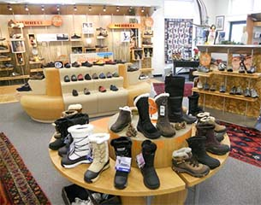
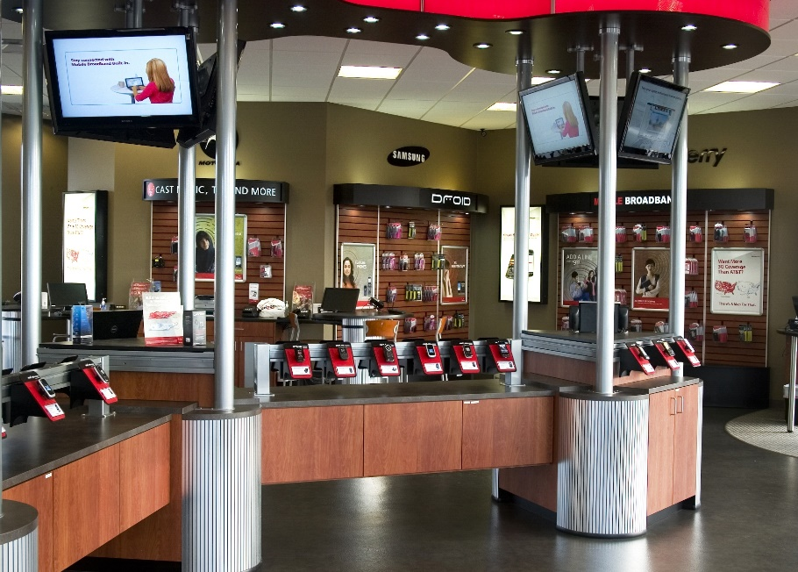
1. Your friend is opening a store and is asking for your help in organizing the grouping of her products into a hierarchy of categories. Not all nodes of a category need to go to the lowest level possible. (Product hierarchies are useful in business reporting to compare product categories growth and decline over time. )
2. It's worth noting that there is no right or wrong answer here, rather a preference of how products are categorized.
3. See example of a few rows of a shoe store's hierarchy
4. You're friends type of store is a Cellular Phone retailer and is comparable in size and product selection to an AT&T or Verizon Wireless store. Keep it at most 15 rows of a hierarchy, but 10 rows is probably plenty.
Est Time: 5 mins
EXAMPLE of a Shoe Store Product Hierarchy |  |  | Cellular Phone Retailer
Department | Major Category | Category | Department | Major Category | Category
Men's Shoes | Sneakers & Athletic | High Top
Men's Shoes | Sneakers & Athletic | Low Top | Count of Department | Major Category
Men's Shoes | Boots |  |  | Boots | Flats | Flats Total | Flip Flops | Flip Flops Total | Formal | Formal Total | Heels | Heels | Heels Total | Sandals | Sandals | Sandals Total | Sneakers & Athletic | Sneakers & Athletic | Sneakers & Athletic | Sneakers & Athletic Total | Grand Total
Men's Shoes | Sandals | Leather | Department |  | (blank) |  | (blank) |  | (blank) |  | Closed Toe | Open Toe |  | Leather | Rubber |  | High Top | Low Top | Mid Top
Men's Shoes | Sandals | Rubber | Men's Shoes | 1 |  |  |  |  | 1 | 1 |  |  |  | 1 | 1 | 2 | 1 | 1 |  | 2 | 6
Men's Shoes | Formal |  | Women's Shoes |  | 1 | 1 | 1 | 1 |  |  | 1 | 1 | 2 |  |  |  | 1 | 1 | 1 | 3 | 7
Women's Shoes | Sneakers & Athletic | High Top | Grand Total | 1 | 1 | 1 | 1 | 1 | 1 | 1 | 1 | 1 | 2 | 1 | 1 | 2 | 2 | 2 | 1 | 5 | 13
Women's Shoes | Sneakers & Athletic | Low Top
Women's Shoes | Sneakers & Athletic | Mid Top
Women's Shoes | Flip Flops
Women's Shoes | Flats
Women's Shoes | Heels | Closed Toe
Women's Shoes | Heels | Open Toe

Q3. Find Product Pages Online
1. The Internet is full of product pages from various retailers and brand manufacturers themselves with details about their products.
2. Search the Interent to find the best product page for each of 3 products on the right. "Best" is defined as having the most information and product details about the product.
3. Product Page source is the name of the website (ex. Amazon.com or Best Buy.com or Microsoft.com, etc, etc)
4. Web URL is the actual website link
5. Barcode UPC is harder to find, but is the actual 12 digit or 14 digit barcode you'd see on a package that a cashier scans
Est Time: 5 mins
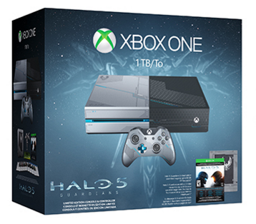

Product Page Source | game stop
Web URL | http://www.gamestop.com/xbox-one/consoles/xbox-one-500gb-gears-of-war-ultimate-edition-console-bundle-with-rise-of-tomb-raider-50-gamestop-gift-card-digital-codes/128709#productDetails
Barcode UPC | 885370818260

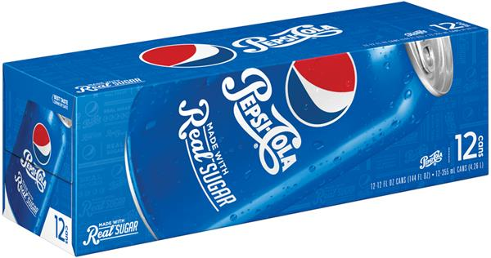

Product Page Source
Web URL
Barcode UPC

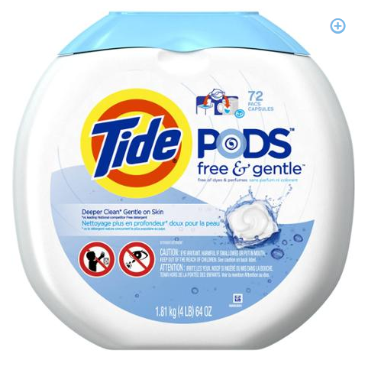

Product Page Source
Web URL
Barcode UPC

